ACEA Stock
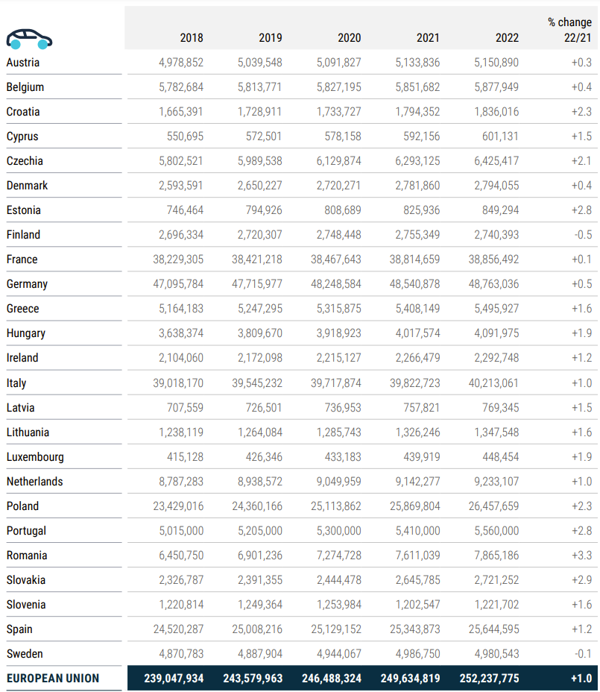
https://www.acea.auto/files/ACEA-Report-Vehicles-on-European-roads-.pdf
 | CARS ON ROAD |  |  |  |  |  | % change
 |  | 2018 | 2019 | 2020 | 2021 | 2022 | 22/21
 | Austria | 4,978,852 | 5,039,548 | 5,091,827 | 5,133,836 | 5,150,890 | 0.3
 | Belgium | 5,782,684 | 5,813,771 | 5,827,195 | 5,851,682 | 5,877,949 | 0.4
 | Croatia | 1,665,391 | 1,728,911 | 1,733,727 | 1,794,352 | 1,836,016 | 2.3
 | Cyprus | 550,695 | 572,501 | 578,158 | 592,156 | 601,131 | 1.5
 | Czechia | 5,802,521 | 5,989,538 | 6,129,874 | 6,293,125 | 6,425,417 | 2.1
 | Denmark | 2,593,591 | 2,650,227 | 2,720,271 | 2,781,860 | 2,794,055 | 0.4
 | Estonia | 746,464 | 794,926 | 808,689 | 825,936 | 849,294 | 2.8
 | Finland | 2,696.33 | 2,720,307 | 2,748,448 | 2,755,349 | 2,740.39 | -0.5
 | France | 38,229,305 | 38,421,218 | 38,467,643 | 38,814,659 | 38,856,492 | 0.1
 | Germany | 47,095,784 | 47,715,977 | 48,248,584 | 48,540,878 | 48,763,036 | 0.5
 | Greece | 5,164,183 | 5,247,295 | 5,31 5,875 | 5,408,149 | 5,495,927 | +1 .6
 | Hungary | 3,638,374 | 3,809,670 | 3,918,923 | 4,017,574 | 4091975 | +1 .9
 | Ireland | 2,104,060 | 2,172,098 | 2,215,127 | 2,266,479 | 2,292,748 | +1 .2
 | Italy | 39,018,170 | 39,545,232 | 39,717,874 | 39,822,723 | 40,213,061 | +1 .0
 | Latvia | 707.559 | 726,501 | 736,953 | 757,821 | 769,345 | 1.5
 | Lithuania | 1,238,119 | 1,264,084 | 1,285,743 | 1,326,246 | 1,347,548 | +1 .6
 | Luxembourg | 415,128 | 426,346 | 433,183 | 439,919 | 448,454 | +1 9
 | Netherlands | 8,787,283 | 8,938,572 | 9,049,959 | 9,142,277 | 9,233,107 | +1 .0
 | Poland | 23429016 | 24,360,166 | 25,113,862 | 25,869,804 | 26,457,659 | 2.3
 | Portugal | 5,015,000 | 5,205,000 | 5,300,000 | 5,410,000 | 5,560,000 | 2.8
 | Romania | 6,450,750 | 6,901,236 | 7,274,728 | 7,611,039 | 7,865,186 | 3.3
 | Slovakia | 2,326.79 | 2,391,355 | 2,444,478 | 2,645,785 | 2,721,252 | 2.9
 | Slovenia | 1,220,814 | 1,249,364 | 1,253,984 | 1,202,547 | 1,221,702 | 1.6
 | Spain | 24,520,287 | 25,008,216 | 25,129,152 | 25,343,873 | 25,644,595 | 1.2
 | Sweden | 4,870,783 | 4,887.90 | 4,944,067 | 4,986,750 | 4,980,543 | 0.01
 | EUROPEAN UNION | 239,047,934 | 243,579,963 | 246,488,324 | 249,634,819 | 252,237,775 | 1


 |  |  |  |  |  |  | % change
 | 3 | 2018 | 2019 | 2020 | 2021 | 2022 | 22/21
 | Austria | 422,745 | 440,582 | 458,253 | 493,387 | 498,325 | 1
 | Belgium | 769679 | 798942 | 829,277 | 861,148 | 868,994 | 0.9
 |  |  |  |  |  |  | 4.5
 | Croatia | 135,054 | 145,750 | 152,923 | 162,644 | 169,976
 | Cyprus | 98,533 | 101,528 | 102951 | 104,216 | 107.07 | 2.7
 | Czechia | 574.722 | 587.186 | 596,481 | 610,405 | 620,192 | 1.6
 | Denmark | 389,339 | 379,993 | 376,236 | 373,267 | 364,646 | -2.3
 | Estonia | 83,307 | 91,266 | 95,246 | 99094 | 103037 | 4
 | inland | 325,656 | 330,671 | 338,389 | 343,927 | 343,715 | -0.1
 | France | 6,308,971 | 6,271,876 | 6,262,451 | 6,384,963 | 6,384,074 | -0.01
 | Germany | 2,724,783 | 2,856,676 | 2,999,416 | 3,141,643 | 3,222,706 | 2.6
 | Greece | 889,638 | 906,798 | 921,776 | 944,308 | 955,997 | 1.2
 | Hungary | 446,647 | 470,454 | 485,582 | 501,553 | 510,754 | 1.8
 | Ireland | 380,883 | 395,379 | 397,702 | 404,521 | 409,453 | 1.2
 | Italy | 4,108,520 | 4,172,982 | 4,260,610 | 4,318,840 | 4,403,430 | 2
 | Latvia | 57.612 | 59,456 | 60,707 | 63,177 | 65,353 | 3.4
 | Lithuania | 49,576 | 50,628 | 52799 | 56,012 | 58,518 | 4.5
 | Luxembourg | 36,603 | 38,547 | 39,006 | 40,872 | 42,417 | 3.8
 | Netherlands | 995,796 | 1,021,225 | 1,031,010 | 1,057,084 | 1,082,829 | 2.4
 | Poland | 2,649,198 | 2,733,004 | 2,814,490 | 2,905,731 | 2,974,632 | 2.4
 | Portugal | 1,120,000 | 1,135,000 | 1,140,000 | 1,150,000 | 1,163,000 | +1 _ 1
 | Romania | 758,037 | 8/1,286 | 850,998 | 842,847 | 886,802 | 5.2
 | Slovakia | 259,629 | 263,913 | 268,000 | 285,860 | 292,116 | 2.2
 | Slovenia | 83,718 | 88,361 | 91,331 | 94850 | 98,531 | 3.9
 | Spain | 3,665,518 | 3,786,536 | 3,828,504 | 3,898,159 | 3955750 | 1.5
 | Sweden | 572.075 | 585091 | 595.58 | 605668 | 608.871 | 0%
 | EUROPEAN UNION | 27,906,239 | 28,523,130 | 29,049,728 | 29,744,175 | 30,191,188 | 1.5
 | https://ec.europa.eu/eurostat/databrowser/view/road_eqs_lorroa__custom_12791916/default/table?lang=en | 25,963,441 | 26,555,892 | 26,961,593 | 27,618,559 | 27,967,026 |  |  | Using eurostat data to align better with SYVbT

 |  |  |  |  |  |  |  | % change

 |  |  | 2018 | 2019 | 2020 | 2021 | 2022 | 22/21
 | Austria |  | 72,486 | 73,336 | 73,378 | 74,473 | 75,171 | +0 g
 | Belgium |  | 137.434 | 139,136 | 138,415 | 137,1 52 | 137,467 | 0.2
 | Croatia |  | 45,720 | 47,536 | 48,621 | 51072 | 52,581 | 3
 | Cyprus |  | 12,509 | 13,016 | 13,329 | 13,710 | 13,825 | 0.8
 | Czech ia |  | 187.483 | 186,881 | 185,602 | 186,905 | 187,035 | 0.1
 | Denmark |  | 42,751 | 42,586 | 42,266 | 43,227 | 43,483 | 0.6
 | Estonia |  | 37,911 | 39,848 | 40,106 | 41,014 | 41 n 56 | 0.3
 | Finland |  | 96,169 | 95,141 | 94,691 | 94,771 | 92,633 | -2.3
 | France |  | 603,694 | 609,822 | 607,789 | 616,886 | 620,593 | 0.6
 | Germany |  | 946,541 | 951,481 | 952,285 | 964,696 | 990,403 | 27
 | Greece |  | 229,776 | 226,913 | 225,216 | 225,571 | 224,719 | -4
 | Hungary |  | 94,966 | 96,109 | 94,306 | 95,964 | 96,272 | 0.3
 | Ireland |  | 47,259 | 48,311 | 47,273 | 48,158 | 48,875 | +1 _5
 | Italy |  | 941,994 | 946,393 | 949,967 | 960,284 | 969,488
 | Latvia |  | 33,481 | 33,739 | 33,116 | 33,144 | 33,367 | 0.7
 | Lithuania |  | 65,996 | 67,111 | 69,780 | 73,019 | 80,424
 | Luxembourg |  | 12055 | 12,300 | 13,784 | 13,966 | 14,266 | +2./
 | Netherlands |  | 158.41 | 160,608 | 157,638 | 1 58,108 | 161,829 | 2.4
 | Poland |  | 1,108,975 | 1,1 50,493 | 1,184,677 | 1,234,074 | 1,276,594 | 3.4
 | Portugal |  | 130,000 | 132,500 | 134,000 | 135,000 | 135,800 | +0.b
 | Romania |  | 288309 | 296,489 | 346,911 | 348,517 | 366,693 | 5.2
 | Slovakia |  | 85,241 | 81,083 | 78,959 | 83,341 | 82867 | -0.6
 | Slovenia |  | 35,864 | 37,285 | 37,674 | 37,951 | 38,463
 | Spain |  | 590,674 | 607,020 | 566,362 | 571,867 | 581,631
 | Sweden |  | 83,977 | 84,153 | 84,333 | 85,554 | 86.06 | 0.6
 | EUROPEAN UNION |  | 6,089,675 | 6,179,290 | 6,220,478 | 6,328,424 | 6,451,695 | 1.9
 |  |  | 5,486,045 | 5,633,190 | 5,649,274 | 5,757,605 | 5,869,757 |  | Using IDEES data to better align with SYVbT

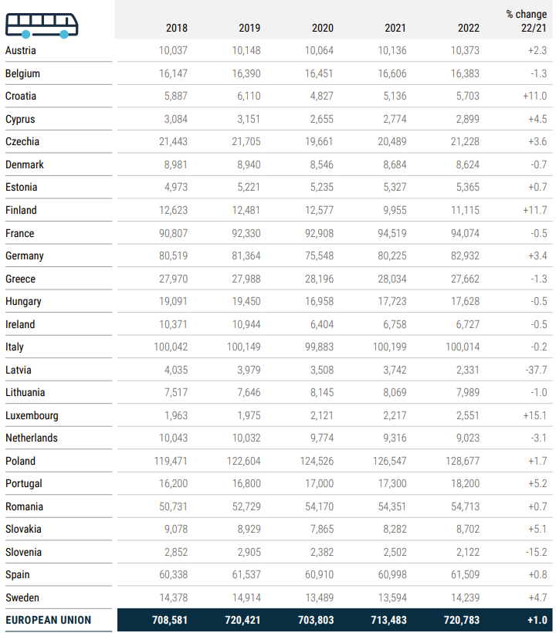
 |  |  | 2018 | 2019 | 2020 | 2021 | 2022 | 22/21
 | Austria |  | 10,037 | 10,148 | 10,064 | 10,136 | 10,373 | 2.3
 | Belgium |  | 16,147 | 16,390 | 16,451 | 16,606 | 16,383 | -1 3
 | Croatia |  | 5,887 | 6,110 | 4,827 | 5,136 | 5,703
 |  |  |  |  |  |  |  | 4.5
 | Cyprus |  | 3,084 | 3,151 | 2,655 | 2,774 | 2,899
 | Czechia |  | 21,443 | 21,705 | 19.661 | 20,489 | 21,228 | 3.6
 | Denmark |  | 8,981 | 8,940 | 8,546 | 8,684 | 8,624 | -0.7
 | Estonia |  | 4973 | 5,221 | 5,235 | 5,327 | 5,365 | 0.7
 | Finland |  | 12,623 | 12,481 | 12,577 | 9,955 | 11,115
 | France |  | 90,807 |  | 92,908 | 94,519 | 94,074 | -0.5
 | Germany |  | 80,519 | 81364 | 75,548 | 80,225 | 82,932 | 3.4
 | Greece |  | 27,970 | 27,988 | 28,196 | 28,034 | 27,662
 | Hungary |  | 19,091 | 19,450 | 16,958 | 17,723 | 17,628 | -0.5
 | Ireland |  | 10,371 | 10,944 | 6,404 | 6,758 | 6,727 | -0.5
 | Italy |  | 100,042 |  | 99,883 | 100,199 | 100,014 | -0.2
 | Latvia |  |  | 3979 | 3.508 | 3,742 | 2331 | -37.7
 | Lithuania |  | 7,517 | 7,646 | 8,145 | 8,069 | 7,989
 | Luxembourg |  | 1,963 | 1,975 | 2.12/ | 2,217 | 2551
 | Netherlands |  | 10,043 | 10,032 | 9,774 | 9,316 | 9,023 | -3.1
 | Poland |  | 119,471 | 122,604 | 124,526 | 126,547 | 128,677
 | Portugal |  | 16,200 | 16,800 | 17,000 | 17,300 | 18,200 | 5.2
 | Romania |  | 50,731 | 52,729 | 54170 | 54,351 | 54,713 | 0.7
 | Slovakia |  | 9,078 | 8,929 | 7,855 | 8,282 | 8,702
 | Slovenia |  | 2,852 | 2,905 | 2,382 | 2,502 | 2,122 | -15.2
 | Spain |  | 60,338 | 61,537 | 60,910 | 60,998 | 61,509 | 0.8
 | Sweden |  | 14.378 | 14.914 | 13489 | 13594 | 14.239 | 4.7
 | EUROPEAN UNION |  | 708,581 | 720,421 | 703,803 | 713,483 | 720,783 | 1
 |  |  | 657,287 | 671,340 | 655,981 | 669,375 | 676,224 |  | Using IDEES data to better align with SYVbT

calcs
Share of vehicles that are new this year

 | 2018 | 2019 | 2020 | 2021 | 2022
Passenger Cars | 0.05351307073 | 0.053489407912 | 0.040324092593 | 0.038857139556 | 0.03672530413
Buses | 0.058590843878 | 0.050734352191 | 0.042633856773 | 0.043597385621 | 0.040383085706
Vans | 0.06552478926 | 0.065803513586 | 0.053386125961 | 0.056554760877 | 0.045776587042
Trucks | 0.060404717788 | 0.059126711508 | 0.043831472858 | 0.050326828603 | 0.05083804959

